Instructions
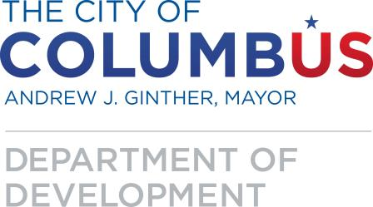
 |  | Page 1
 | 2019
 | City of Columbus Department of Development
 | HOME Program Funding Application
 | FAct50 Opportunity Pool

Sealed requests must be submitted no later than December 14, 2018
Please submit application via disk with signed signature page to the following address:

City of Columbus
Department of Development, Housing Division
Attn: Tracy L. Swanson, Program Manager
111 North Front Street, 3rd floor
Columbus, Ohio 43215

